Q1
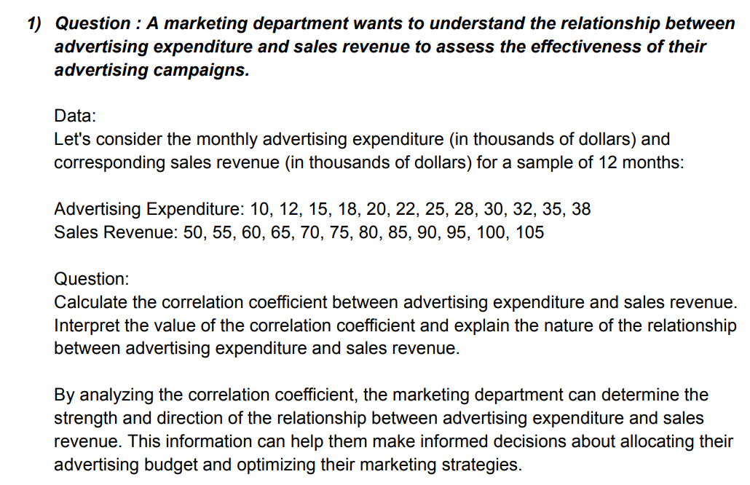

Q1 - Ans
 | x | y
 | Advertising Expenditure | Sales Revenue | x-x mean | y- y mean | Column d * Column e |  | x-x mean ^2 | y- y mean ^2
1 | 10 | 50 | -13.75 | -27.5 | 378.125 |  | 189.0625 | 756.25
2 | 12 | 55 | -11.75 | -22.5 | 264.375 |  | 138.0625 | 506.25
3 | 15 | 60 | -8.75 | -17.5 | 153.125 |  | 76.5625 | 306.25
4 | 18 | 65 | -5.75 | -12.5 | 71.875 |  | 33.0625 | 156.25
5 | 20 | 70 | -3.75 | -7.5 | 28.125 |  | 14.0625 | 56.25
6 | 22 | 75 | -1.75 | -2.5 | 4.375 |  | 3.0625 | 6.25
7 | 25 | 80 | 1.25 | 2.5 | 3.125 |  | 1.5625 | 6.25
8 | 28 | 85 | 4.25 | 7.5 | 31.875 |  | 18.0625 | 56.25
9 | 30 | 90 | 6.25 | 12.5 | 78.125 |  | 39.0625 | 156.25
10 | 32 | 95 | 8.25 | 17.5 | 144.375 |  | 68.0625 | 306.25
11 | 35 | 100 | 11.25 | 22.5 | 253.125 |  | 126.5625 | 506.25
12 | 38 | 105 | 14.25 | 27.5 | 391.875 |  | 203.0625 | 756.25

 | mean | mean |  |  | sum |  | sum | sum
 | 23.75 | 77.5 |  |  | 1802.5 |  | 910.25 | 3575

 |  |  |  |  |  |  | 30.170349683 |  | 59.791303716
 |  |  |  |  |  |  |  |  |  |  | Advertising Expenditure | Sales Revenue
 |  |  |  |  |  |  |  |  |  | Advertising Expenditure | 1
 |  |  |  |  |  | sqrt*sqrt | 1803.9245411 |  |  | Sales Revenue | 0.99921031004 | 1
 | r= |  |  |  | 1802.5
 |  |  |  |  | 1803.9245411

 | r= | 0.99921031004

 |  | A correlation coefficient of 0.99 suggests that there is a nearly perfect positive correlation between the two variables, meaning that as advertising expenditure increases, sales revenue also significantly increases. This implies that changes in advertising expenditure are closely related to changes in sales revenue, and the marketing department's advertising campaigns are highly effective in driving sales.

 |  | A correlation coefficient of 0.99 is very close to 1, and it represents a very strong positive relationship. This information can be valuable for the marketing department in making informed decisions about allocating their advertising budget and optimizing their marketing strategies.

Q2(HW)
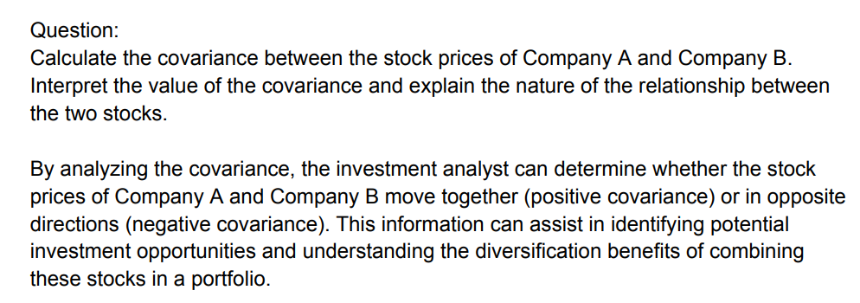

Q3(HW)
